Yeu Cau
How KNN algorithm works
Suppose we have height, weight and T-shirt size of some customers and we need to predict the T-shirt size of a new customer given only height and weight information we have. Data including height, weight and T-shirt size information is shown below -

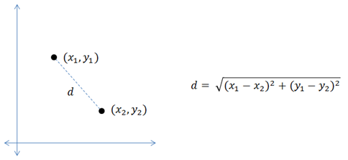
 | Height (in cms) | Weight (in kgs) | T Shirt Size
1 | 158 | 58 | M
2 | 158 | 59 | M
3 | 158 | 63 | M
4 | 160 | 59 | M
5 | 160 | 60 | M
6 | 163 | 60 | M
7 | 163 | 61 | M
8 | 160 | 64 | L
9 | 163 | 64 | L
10 | 165 | 61 | L
11 | 165 | 62 | L
12 | 165 | 65 | L
13 | 168 | 62 | L
14 | 168 | 63 | L
15 | 168 | 66 | L
16 | 170 | 63 | L
17 | 170 | 64 | L
18 | 170 | 68 | L

New customer named 'Monica' has height 161cm and weight 61kg => Predict T-shirt size if k=5

